C4.5 - Tree_RaioGanho
Age
 |  |  |  |  |  |  |  |  |  | Entropy | Info | Gain |  |  |  | Entropy | Info | Gain |  |  |  | Entropy | Info | Gain
ID | age | income | student | credit_rating | CLASS |  | Info(D) | Sim | 9 |  | 0.940 |  | Info(D_youth) | Sim | 2 |  | 0.971 |  | Info(D_senior) | yes | 3 |  | 0.971 |  |  |  |  |  | http://www.cse.unsw.edu.au/~cs9417ml/DT2/pruning.html
1 | youth | high | no | fair | no |  |  | Nao | 5 |  |  |  |  | Nao | 3 |  |  |  |  | no | 2 |  |  |  |  |  |  |  | http://users.ics.forth.gr/~potamias/hy577/dtrees_advanced.pdf
2 | youth | high | no | excellent | no |  |  | Total | 14 |  |  |  |  | Total | 5 |  |  |  |  | Total | 5
3 | middle_aged | high | no | fair | yes |  | age | CLASS | Count of ID |  |  |  |  |  |  |  |  |  |  |  |  |  |  |  |  |  |  | Minimum Error Pruning
youth
Senior
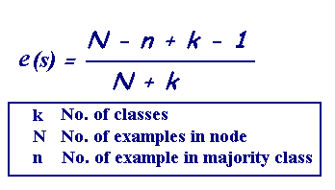
4 | senior | medium | no | fair | yes |  | youth | yes | 2 | 0.971 | 0.694 | 0.156 | student | CLASS | Count of ID
Middle_aged
5 | senior | low | yes | fair | yes |  | youth | no | 3 |  |  |  | no | no | 3 | - | - | 1.000 | student | CLASS | Count of ID
Student
4 row
yes: 4
No: 0
Credit-Rating
5 | no:2 | yes:3
6 | senior | low | yes | excellent | no |  | middle_aged | yes | 4 | - |  |  | yes | yes | 2 | - |  |  | no | yes | 1 | 1.000 | 0.951 | 0.021
5 | no:3 | yes:2
7 | middle_aged | low | yes | excellent | yes |  | senior | yes | 3 | 0.971 |  |  | Total Geral |  | 5 | SplitInfo | 0.971 |  | no | no | 1
No
Yes
Fair
8 | youth | medium | no | fair | no |  | senior | no | 2 |  |  |  |  |  |  |  |  |  | yes | yes | 2 | 0.918
Excellent
9 | youth | low | yes | fair | yes |  | Total Geral |  | 14 | SplitInfo | 1.577 |  | credit_rating | CLASS | Count of ID |  |  |  | yes | no | 1
3 row
yes: 0
No: 3
2 row
yes: 2
No: 0
10 | senior | medium | yes | fair | yes |  |  |  |  |  |  |  | excellent | yes | 1 | 1.000 | 0.951 | 0.033 | Total Geral |  | 5 | SplitInfo | 0.971
2 row
yes: 0
No: 2
3 row
yes: 3
No: 0
11 | youth | medium | yes | excellent | yes |  | student | CLASS | Count of ID |  |  |  | excellent | no | 1
12 | middle_aged | medium | no | excellent | yes |  | no | yes | 3 | 0.985 | 0.788 | 0.152 | fair | yes | 1 | 0.918 |  |  | credit_rating | CLASS | Count of ID
13 | middle_aged | high | yes | fair | yes |  | no | no | 4 |  |  |  | fair | no | 2 |  |  |  | excellent | no | 2 | - | - | 1.000
14 | senior | medium | no | excellent | no |  | yes | yes | 6 | 0.592 |  |  | Total Geral |  | 5 | SplitInfo | 0.601 |  | fair | yes | 3 | -
 |  |  |  |  |  |  | yes | no | 1 |  |  |  |  |  |  |  |  |  | Total Geral |  | 5 | SplitInfo | 0.971 |  | Irei analisar viabilidade de poda, via tecnica Minimum Error Pruning
 |  |  |  |  |  |  | Total Geral |  | 14 | SplitInfo | 1.000 |  | income | CLASS | Count of ID
credit rating
 |  |  |  |  |  |  |  |  |  |  |  |  | high | no | 2 | - | 0.400 | 0.375 |  |  |  |  |  |  | E(Student): | > | Erro_Sub_Arvore: BackUpError
 |  |  |  |  |  |  | credit_rating | CLASS | Count of ID |  |  |  | low | yes | 1 | - |  |  |  |  |  |  |  |  | 0.43 |  | 0.22 | Esta Modelagem esta nos links das universidades acima.
 |  |  |  |  |  |  | excellent | yes | 3 | 1.000 | 0.892 | 0.077 | medium | yes | 1 | 1.000
 |  |  |  |  |  |  | excellent | no | 3 |  |  |  | medium | no | 1 |  |  |  |  |  |  |  |  |  | Como vemos acima, se podarmos o erro aumenta, então não podaremos
 |  |  |  |  |  |  | fair | yes | 6 | 0.811 |  |  | Total Geral |  | 5 | SplitInfo | 1.522 |  |  |  | yes |  |  |  | O Nó Credit_Rating não será avaliado por ser similar ao nó St6udent já avaliado
 |  |  |  |  |  |  | fair | no | 2 |  |  |  |  |  |  |  |  |  |  | no
Student
 |  |  |  |  |  |  | Total Geral |  | 14 | SplitInfo | 0.629

 |  |  |  |  |  |  | income | CLASS | Count of ID
 |  |  |  |  |  |  | high | yes | 2 | 1.000 | 0.911 | 0.019
 |  |  |  |  |  |  | high | no | 2 |  |  |  |  |  | yes
 |  |  |  |  |  |  | low | yes | 3 | 0.811
 |  |  |  |  |  |  | low | no | 1 |  |  |  |  | No
 |  |  |  |  |  |  | medium | yes | 4 | 0.918
 |  |  |  |  |  |  | medium | no | 2
 |  |  |  |  |  |  | Total Geral |  | 14 | SplitInfo | 1.5566567075

Age

 |  |  |  |  |  | youth |  | senior
 |  |  |  |  |  |  | middle_aged

ID3 - Tree_Ganho
Age
 |  |  |  |  |  |  |  |  |  | Entropy | Info | Gain |  |  |  | Entropy | Info | Gain |  |  |  | Entropy | Info | Gain
ID | age | income | student | credit_rating | CLASS |  | Info(D) | Sim | 9 |  | 0.940 |  | Info(D_youth) | Sim | 2 |  | 0.971 |  | Info(D_senior) | yes | 3 |  | 0.971
1 | youth | high | no | fair | no |  |  | Nao | 5 |  |  |  |  | Nao | 3 |  |  |  |  | no | 2
2 | youth | high | no | excellent | no |  |  | Total | 14 |  |  |  |  | Total | 5 |  |  |  |  | Total | 5
3 | middle_aged | high | no | fair | yes |  | age | CLASS | Count of ID
youth
Senior
4 | senior | medium | no | fair | yes |  | youth | yes | 2 | 0.971 | 0.694 | 0.247 | student | CLASS | Count of ID
Middle_aged
5 | senior | low | yes | fair | yes |  | youth | no | 3 |  |  |  | no | no | 3 | - | - | 0.971 | student | CLASS | Count of ID
Student
4 row
yes: 4
No: 0
Credit-Rating
6 | senior | low | yes | excellent | no |  | middle_aged | yes | 4 | - |  |  | yes | yes | 2 | - |  |  | no | yes | 1 | 1.000 | 0.951 | 0.020
7 | middle_aged | low | yes | excellent | yes |  | senior | yes | 3 | 0.971 |  |  | Total Geral |  | 5 |  |  |  | no | no | 1
No
Yes
Fair
8 | youth | medium | no | fair | no |  | senior | no | 2 |  |  |  |  |  |  |  |  |  | yes | yes | 2 | 0.918
Excellent
9 | youth | low | yes | fair | yes |  | Total Geral |  | 14 |  |  |  | credit_rating | CLASS | Count of ID |  |  |  | yes | no | 1
3 row
yes: 0
No: 3
2 row
yes: 2
No: 0
10 | senior | medium | yes | fair | yes |  |  |  |  |  |  |  | excellent | yes | 1 | 1.000 | 0.951 | 0.020 | Total Geral |  | 5
2 row
yes: 0
No: 2
3 row
yes: 3
No: 0
11 | youth | medium | yes | excellent | yes |  | student | CLASS | Count of ID |  |  |  | excellent | no | 1
12 | middle_aged | medium | no | excellent | yes |  | no | yes | 3 | 0.985 | 0.788 | 0.152 | fair | yes | 1 | 0.918 |  |  | credit_rating | CLASS | Count of ID
13 | middle_aged | high | yes | fair | yes |  | no | no | 4 |  |  |  | fair | no | 2 |  |  |  | excellent | no | 2 | - | - | 0.971
14 | senior | medium | no | excellent | no |  | yes | yes | 6 | 0.592 |  |  | Total Geral |  | 5 |  |  |  | fair | yes | 3 | -
 |  |  |  |  |  |  | yes | no | 1 |  |  |  |  |  |  |  |  |  | Total Geral |  | 5 |  |  |  | Irei analisar viabilidade de poda, via tecnica Minimum Error Pruning
 |  |  |  |  |  |  | Total Geral |  | 14 |  |  |  | income | CLASS | Count of ID
credit rating
 |  |  |  |  |  |  |  |  |  |  |  |  | high | no | 2 | - | 0.400 | 0.571 |  |  |  |  |  |  | E(Student): | > | Erro_Sub_Arvore: BackUpError
 |  |  |  |  |  |  | credit_rating | CLASS | Count of ID |  |  |  | low | yes | 1 | - |  |  |  |  |  |  |  |  | 0.43 |  | 0.22
 |  |  |  |  |  |  | excellent | yes | 3 | 1.000 | 0.892 | 0.048 | medium | yes | 1 | 1.000
 |  |  |  |  |  |  | excellent | no | 3 |  |  |  | medium | no | 1 |  |  |  |  |  |  |  |  |  | Como vemos acima, se podarmos o erro aumenta, então não podaremos
 |  |  |  |  |  |  | fair | yes | 6 | 0.811 |  |  | Total Geral |  | 5 |  |  |  |  |  | yes |  |  |  | O Nó Credit_Rating não será avaliado por ser similar ao nó St6udent já avaliado
 |  |  |  |  |  |  | fair | no | 2 |  |  |  |  |  |  |  |  |  |  | no
Student
 |  |  |  |  |  |  | Total Geral |  | 14

 |  |  |  |  |  |  | income | CLASS | Count of ID
 |  |  |  |  |  |  | high | yes | 2 | 1.000 | 0.911 | 0.029
 |  |  |  |  |  |  | high | no | 2 |  |  |  |  |  | yes
 |  |  |  |  |  |  | low | yes | 3 | 0.811
 |  |  |  |  |  |  | low | no | 1 |  |  |  |  | No
 |  |  |  |  |  |  | medium | yes | 4 | 0.918
 |  |  |  |  |  |  | medium | no | 2
 |  |  |  |  |  |  | Total Geral |  | 14

Age

 |  |  |  |  |  | youth |  | senior
 |  |  |  |  |  |  | middle_aged

Tips
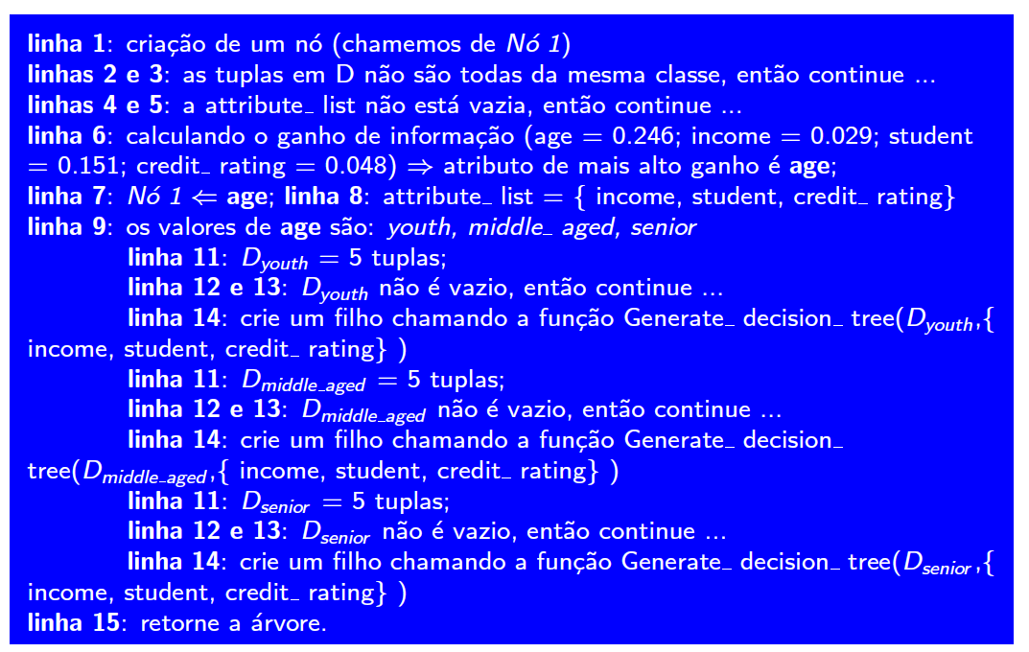
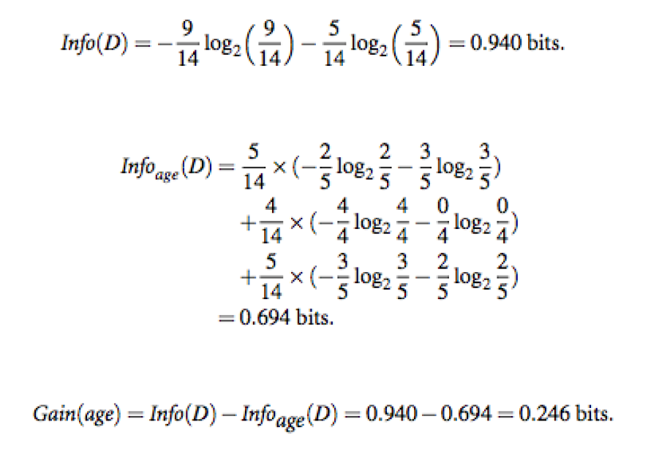

 | Linhas = tuplas --> Instancia
p_i --> Probabilidade da classe x no D | D --> Base
 | D_1, D_2, D_3 --> Partições de algum atributo

